E4
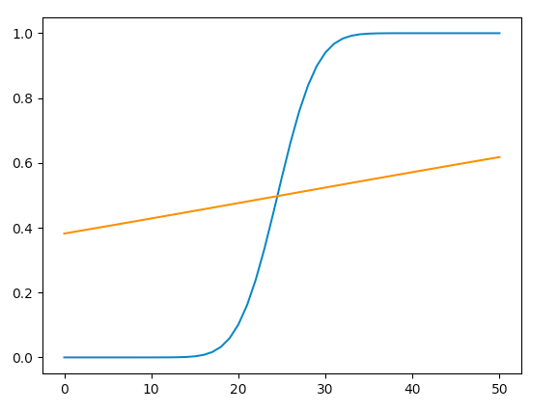
 | n | n | p = | 0.4
error | 10 | 50 | q = | 0.6
relative |  | 0.45
absolute

